BAG
Nº Palet | GÉNERO | FAMILIA | Estilo | Color | Talla |  | QTY
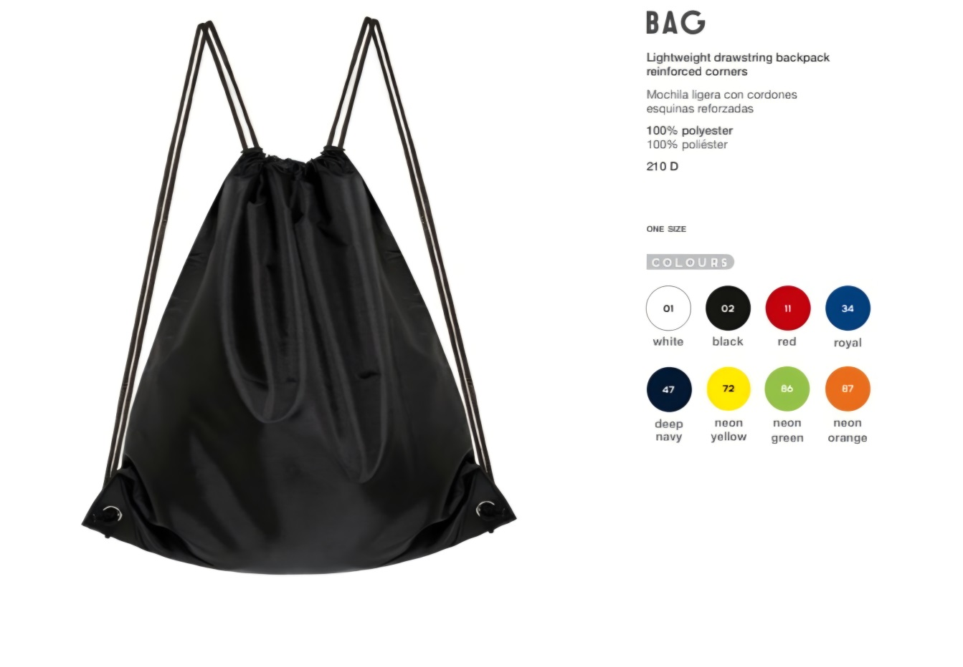
35 | UNISEX | COMPLEMENTOS | BAG | 01 WHITE | ONE SIZE | BAG - WHITE | ONE SIZE | 2700
35 | UNISEX | COMPLEMENTOS | BAG | 86 GREEN FLUORS | ONE SIZE | BAG - GREEN FLUORS | ONE SIZE | 200
35 | UNISEX | COMPLEMENTOS | BAG | 72 YELLOW FLUOR | ONE SIZE | BAG - YELLOW FLUOR | ONE SIZE | 200
43 | UNISEX | COMPLEMENTOS | BAG | 72 YELLOW FLUOR | ONE SIZE | BAG - YELLOW FLUOR | ONE SIZE | 200
43 | UNISEX | COMPLEMENTOS | BAG | 86 GREEN FLUORS | ONE SIZE | BAG - GREEN FLUORS | ONE SIZE | 830
43 | UNISEX | COMPLEMENTOS | BAG | 01 WHITE | ONE SIZE | BAG - WHITE | ONE SIZE | 2196
43 | UNISEX | COMPLEMENTOS | BAG | 87 ORANGE FLUORS | ONE SIZE | BAG - ORANGE FLUORS | ONE SIZE | 862
52 | UNISEX | COMPLEMENTOS | BAG | 01 WHITE | ONE SIZE | BAG - WHITE | ONE SIZE | 50
62 | UNISEX | COMPLEMENTOS | BAG | 01 WHITE | ONE SIZE | BAG - WHITE | ONE SIZE | 200
...

